Sheet1
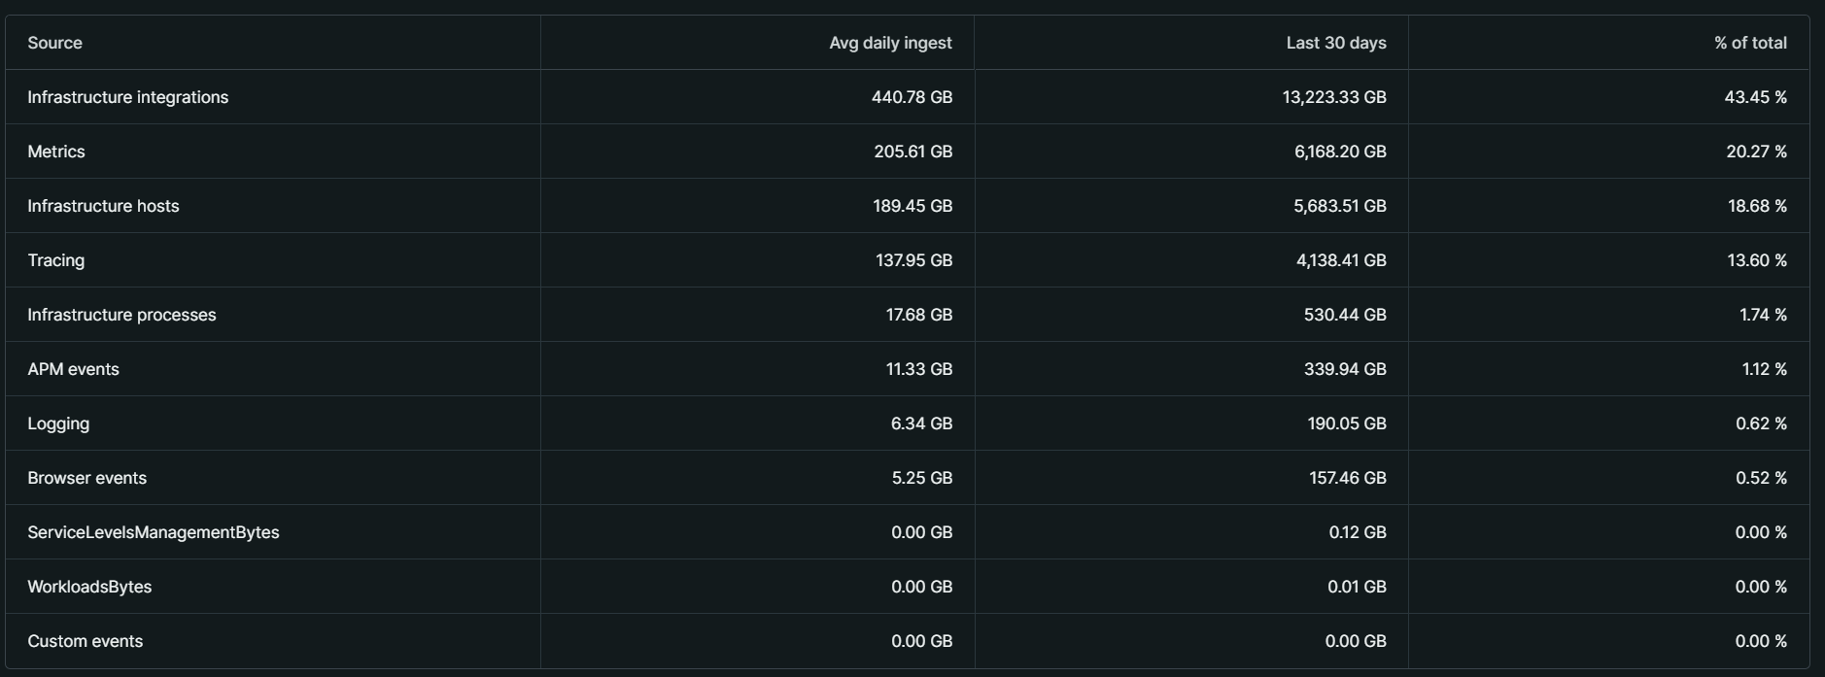
200.22

 | Metrics | 205 | Metrics
 | Infrastructure Integrations | 441 | Metrics
 | APM events | 11.5 | Traces
 | Logging | 6.5 | Logs
 | Tracing | 138 | Traces
 | Infrastructure Hosts | 190 | Metrics
 | Infrastrucure Processes | 18 | Metrics
 | Custom events | 0 | Logs
 | Serverless | 0 | Logs
 | Browser events | 5.25 | RUM

 | Logs | 6.5
 | Metrics | 854 | 854,000 | <- numseries
 | Traces | 150
 | RUM | 5.25 | 6562.5 | <- sessions

